Energy_item
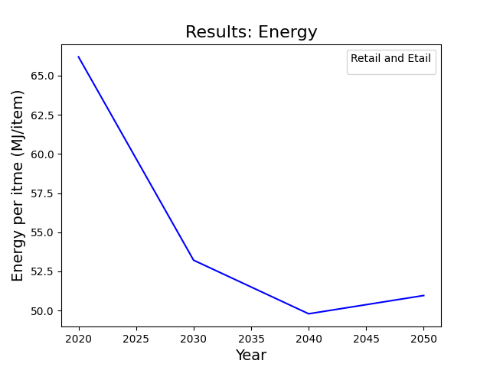
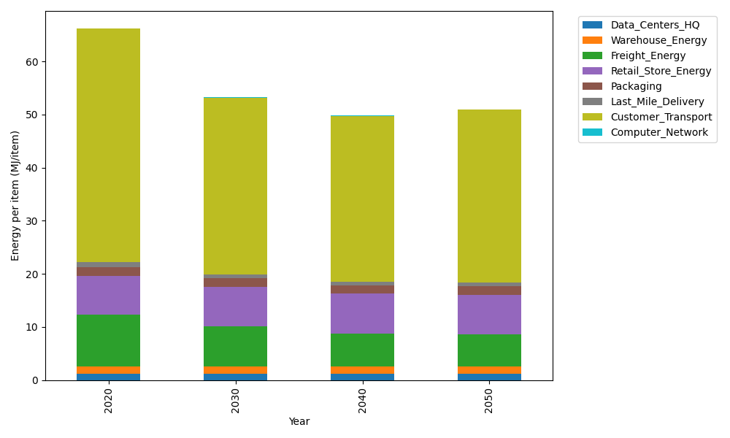
Years | Data_Centers_HQ | Warehouse_Energy | Freight_Energy | Retail_Store_Energy | Packaging | Last_Mile_Delivery | Customer_Transport | Computer_Network | Total
2020 | 1.2375150464 | 1.341704702 | 9.745121339 | 7.3044839002 | 1.6940551041 | 0.95382665483 | 43.870823687 | 0.043095905011 | 66.190626339
2030 | 1.2352664487 | 1.3270812097 | 7.5192218214 | 7.4277871945 | 1.6408352221 | 0.75218796025 | 33.275120078 | 0.038310862219 | 53.215810797
2040 | 1.234927167 | 1.3248747309 | 6.2447245578 | 7.4463919234 | 1.6328050922 | 0.69456964996 | 31.18033991 | 0.037588866718 | 49.796221898
2050 | 1.2351867915 | 1.3265631682 | 6.0447891869 | 7.4321552499 | 1.6389498922 | 0.6982405182 | 32.548214933 | 0.038141350676 | 50.96224109

CO2_item
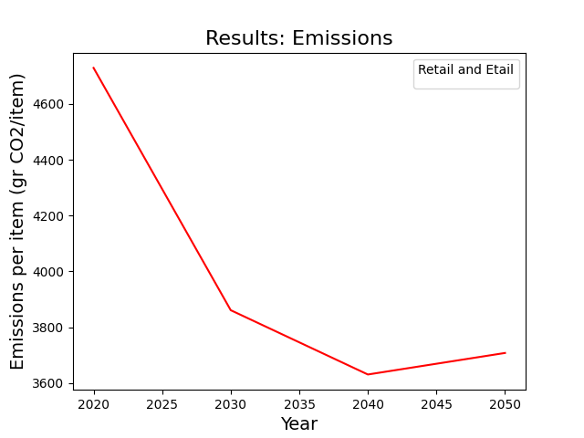
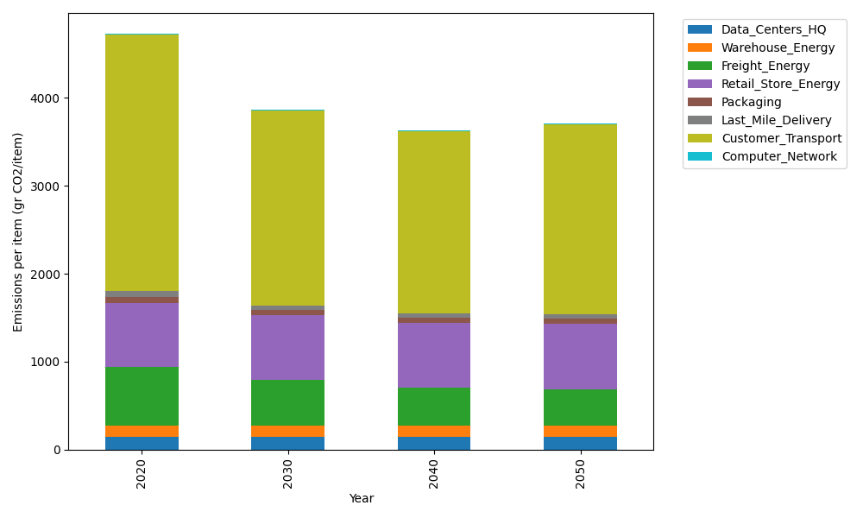
Years | Data_Centers_HQ | Warehouse_Energy | Freight_Energy | Retail_Store_Energy | Packaging | Last_Mile_Delivery | Customer_Transport | Computer_Network | Total
2020 | 140.16041816 | 133.94113517 | 668.17481055 | 728.44156535 | 65.760021002 | 65.473645121 | 2919.3517349 | 7.2692795898 | 4728.5726098
2030 | 139.86373157 | 132.47482679 | 515.46657866 | 740.73801859 | 60.45608516 | 51.632534407 | 2214.2684218 | 6.4621538572 | 3861.3623508
2040 | 139.81896575 | 132.25358152 | 427.99384577 | 742.59338003 | 59.655796014 | 47.677433361 | 2074.8728143 | 6.3403699625 | 3631.2061867
2050 | 139.85322136 | 132.42288238 | 414.25990316 | 741.17362405 | 60.268191679 | 47.929413239 | 2165.8970529 | 6.4335611915 | 3708.2378499

